S2.3-SHEDS-HT Equations
$exp.diet=consumption ×residue$(1)
$exp.ingest.tot=exp.diet+exp.hand. handmouth$(2)
Exposure Scenario | Parameters | Explanation
Food Residue | exp.diet | dietary exposure from food residues (ug/day)
 | consumption | amount of food consumed (g/day; ml/day of water used here)
dose$.ingest.abs=exp.tot ×ingest.abs.f$(3)
 | residue | chemical residue in food (ug/g)
 | exp.hand.mouth | ingestion from hand to mouth exposure; part of dermal module
 | exp.ingest.tot | total exposure from ingestion
 | ingest.abs.f | fraction of exposure absorbed through ingestion
 | dose.ingest.abs | dose absorbed (ug/day)
$air.conc=mass ×chem.prev ×f.chemical×\left(\frac{vapfrac}{volume}\right)$ (4)
Vapor inhalation | 𝑎𝑖𝑟.𝑐𝑜𝑛𝑐 | chemical concentration in air [g/m3]
 | 𝑚𝑎𝑠𝑠 | product mass released per use [g]
exp.vapor $=use.prev ×air.conc ×p.round\left(\frac{use.freq}{volume}\right) × duration ×\left(\frac{1E6}{1440}\right)$ (5)
 | 𝑐ℎ𝑒𝑚.𝑝𝑟𝑒𝑣 | likelihood of chemical being in this product [-]
 | 𝑓.𝑐ℎ𝑒𝑚𝑖𝑐𝑎𝑙 | ratio of chemical mass to product mass (if not zero) [-]
dose$.vapor=exp.vapor ×bva ×pai$ (6)
 | 𝑣𝑎𝑝𝑓𝑟𝑎𝑐 | ratio of vapor pressure to air pressure
dose$.vapor.abs=dose.vapor ×inhal.abs.f.$ (7)
 | 𝑣𝑜𝑙𝑢𝑚𝑒 | volume into which the aerosol disperses during use [m3]
 | exp.vapor | inhalation exposure from vapor [μg/day]
 | 𝑢𝑠𝑒.𝑝𝑟𝑒𝑣 | fraction of population who are users [-]
 | 𝑢𝑠𝑒.𝑓𝑟𝑒𝑞 | use frequency [#/yr]
 | 365 | conversion factor [days/yr]
 | 𝑑𝑢𝑟𝑎𝑡𝑖𝑜𝑛 | duration of product use [min]
 | 1440 | conversion factor [min/day]
 | 1E6 | conversion from [ug] to [g]
 | 𝑑𝑜𝑠𝑒.𝑣𝑎𝑝𝑜𝑟 | inhalation applied dose from vapor [μg/day]
 | 𝑒𝑥𝑝.𝑣𝑎𝑝𝑜𝑟 | inhalation exposure from vapor [μg/m3]
 | 𝑏𝑣𝑎 | basal ventilation rate [m3/day]
 | p.round | probablistic rounding function
 | 𝑝𝑎𝑖 | physical activity index; time averaged metabolic equivalent [-];
 | inhal.abs.f | Assumed prportion aborbed through inhalation (0.16)
exp.dermal $=use.p ×mass ×p.round\left(\frac{use.f}{365}\right) ×chem.p ×f.contact ×f.residual×1E6$ (8)
Dermal | 𝑒𝑥𝑝.𝑑𝑒𝑟𝑚 | direct dermal exposure [μg/day]
 | 𝑢𝑠𝑒.𝑝 | fraction of population who are users [-]
 | 𝑢𝑠𝑒.𝑓 | use frequency [#/yr]
rem.absorb$=rem.derm.abs.f ×\frac{Kp}{0.208}$(9)
 | 365 | conversion factor [days/yr]
 | 𝑚𝑎𝑠𝑠 | product mass released per use [g]
rem.mouth$=hm.area × \sqrt{hm.freq} ×hw.eff ×e^{\left(−\frac{nhw}{11}\right)}$(10)
 | 𝑐ℎ𝑒𝑚.𝑝 | likelihood of chemical being in this product [-]
 | 𝑓.𝑐ℎ𝑒𝑚 | ratio of chemical mass to product mass (if not zero)[-]
rem.hand.wash$=rem.handwash.f ×\left(1−e^{\left(\frac{−num.handwashes}{1.6}\right)}\right)$ (11)
 | 𝑓.𝑐𝑜𝑛tact | fraction of product contacting skin [-]
 | 𝑓.𝑟𝑒𝑠idual | residual fraction remaining on skin after use [-]
$dermal.dose.abs=exp.dermal × ({rem.absorb}/{\left(rem.bath.f+rem.handwash+rem.mouth+rem.brush.f+rem.absorb\right)})$(12)
 | 1𝐸6 | conversion from [g] to [μg]
 | 𝑟𝑒𝑚.𝑎𝑏𝑠𝑜𝑟𝑏 | dermal absorption term[-]

 | 𝐾𝑝 | dermal permeability from chem.props file [cm/hr]
 | 0.208 | permeability of permethrin [cm/hr]
 | 𝑟𝑒𝑚.𝑚𝑜𝑢𝑡ℎ | hand-mouthing term[-]
 | ℎ𝑚.𝑎𝑟𝑒𝑎 | handmouth.area.f variable from exp.factors input file [-]
 | ℎ𝑚.𝑓𝑟𝑒𝑞 | handmouth.freq variable from exp.factors input file [#/hr]
 | ℎ𝑤.𝑒𝑓𝑓 | rem.handwash.f variable from exp.factors input file [-]
 | 𝑛ℎ𝑤 | number of hand washes on given day [#/day]
 | rem.bath.f | proportion assumed removed from bathing, sampled (Beta(4,1.36))
 | rem.brushoff.f | propoprtion removed from brushoff, sampled (Triangle (0.01,0.25, 0.05))
 | 𝑟𝑒𝑚.𝑑𝑒𝑟𝑚.𝑎𝑏𝑠.𝑓 | Absorption fraction, sampled (Triangle(0.001, 0.01, 0.004)
 | dermal.dose.abs | Dermal dose aborbed (ug/day)
Total.Dose.intake.ug$=dermal.dose.abs+dose.vapor.abs+ dose.ingest.abs$(13)
Total Exposure | Dose.intake.ug | Total daily absorbed dose in ug
 | Total.Dose.intake.mg.kg | Total daily absorbed dose in mg/kg
Total.Dose.intake.mg.kg$=\frac{Total.Dose.intake.ug}{\begin{aligned}1000 ∗weight \\ \end{aligned}}$(14)
 | Weight | Weight of person in kg

ddd.mass $=use.prev ×p.round\left(\frac{use.f}{365}\right) ×chem.prev ×f.chem × mass ×f.drain (15)$
Down-the-Drain (DTDE) | 𝑑𝑑𝑑.𝑚𝑎𝑠𝑠 | chemical mass “down the drain” [g/day]
 | 𝑢𝑠𝑒.𝑝𝑟𝑒𝑣 | fraction of population who are users [-]
 | 𝑢𝑠𝑒.𝑓𝑟𝑒𝑞 | use frequency [#/yr]
 | 365 | conversion factor [days/yr]
 | 𝑐ℎ𝑒𝑚.𝑝𝑟𝑒𝑣 | likelihood that this product contains this chemical [-]
 | 𝑓.𝑐ℎ𝑒𝑚 | ratio of chemical mass to product mass (if not zero) [-]
 | 𝑚𝑎𝑠𝑠 | mass of product released per use [g]
 | 𝑓.𝑑𝑟𝑎𝑖𝑛 | fraction of mass entering waste system [-]

S2.6-HE_DTD_Stats
 |  |  |  | Human Exposure (mg/kg/day) |  |  | DTD Exposure (g/day)
Spatial | Water | Prevalence | Subpopulation | Median | StD | 95th Percentile | Median | StD | 95th Percentile
US | GW | low | Total | 3.26E-07 | 9.88E-06 | 6.57E-06 | 9.41E-04 | 1.97E-03 | 4.94E-03
US | SW | low | Total | 2.97E-07 | 9.04E-06 | 3.57E-06 | 9.33E-04 | 1.96E-03 | 4.90E-03
US | MX | low | Total | 3.75E-07 | 5.44E-06 | 8.19E-06 | 9.47E-04 | 1.95E-03 | 4.91E-03
US | GW | high | Total | 3.57E-07 | 1.03E-05 | 6.82E-06 | 9.85E-04 | 1.98E-03 | 4.98E-03
US | SW | high | Total | 3.27E-07 | 9.45E-06 | 3.86E-06 | 9.77E-04 | 1.97E-03 | 4.97E-03
US | MX | high | Total | 4.15E-07 | 6.09E-06 | 8.56E-06 | 9.89E-04 | 1.96E-03 | 4.96E-03
CA | GW | low | Total | 3.57E-07 | 1.20E-05 | 8.95E-06 | 9.50E-04 | 1.97E-03 | 4.96E-03
CA | SW | low | Total | 2.71E-07 | 4.19E-06 | 2.35E-06 | 9.32E-04 | 1.95E-03 | 4.89E-03
CA | MX | low | Total | 6.60E-07 | 6.06E-06 | 1.17E-05 | 9.63E-04 | 1.96E-03 | 4.94E-03
CA | GW | high | Total | 3.92E-07 | 1.23E-05 | 9.40E-06 | 9.96E-04 | 1.98E-03 | 4.99E-03
CA | SW | high | Total | 3.00E-07 | 4.99E-06 | 2.55E-06 | 9.76E-04 | 1.96E-03 | 4.94E-03
CA | MX | high | Total | 7.17E-07 | 6.64E-06 | 1.20E-05 | 1.00E-03 | 1.97E-03 | 4.97E-03
US | GW | low | Products Only | 2.51E-07 | 3.62E-06 | 1.96E-06 | 8.73E-04 | 1.87E-03 | 4.59E-03
US | SW | low | Products Only | 2.55E-07 | 3.58E-06 | 2.01E-06 | 8.92E-04 | 1.88E-03 | 4.68E-03
US | MX | low | Products Only | 2.45E-07 | 3.74E-06 | 1.92E-06 | 8.53E-04 | 1.84E-03 | 4.44E-03
US | GW | high | Products Only | 2.81E-07 | 4.35E-06 | 2.20E-06 | 9.17E-04 | 1.88E-03 | 4.68E-03
US | SW | high | Products Only | 2.84E-07 | 4.30E-06 | 2.21E-06 | 9.32E-04 | 1.89E-03 | 4.73E-03
US | MX | high | Products Only | 2.74E-07 | 4.49E-06 | 2.15E-06 | 8.98E-04 | 1.85E-03 | 4.49E-03
CA | GW | low | Products Only | 2.48E-07 | 3.71E-06 | 1.92E-06 | 8.60E-04 | 1.85E-03 | 4.48E-03
CA | SW | low | Products Only | 2.62E-07 | 4.14E-06 | 2.06E-06 | 9.20E-04 | 1.92E-03 | 4.84E-03
CA | MX | low | Products Only | 2.29E-07 | 4.12E-06 | 1.78E-06 | 7.91E-04 | 1.80E-03 | 4.21E-03
CA | GW | high | Products Only | 2.77E-07 | 4.46E-06 | 2.16E-06 | 9.06E-04 | 1.87E-03 | 4.56E-03
CA | SW | high | Products Only | 2.92E-07 | 4.97E-06 | 2.24E-06 | 9.64E-04 | 1.93E-03 | 4.89E-03
CA | MX | high | Products Only | 2.56E-07 | 4.96E-06 | 1.97E-06 | 8.43E-04 | 1.81E-03 | 4.28E-03
US | GW | low | Both | 2.95E-06 | 2.30E-05 | 2.91E-05 | 1.42E-03 | 2.36E-03 | 6.44E-03
US | SW | low | Both | 1.90E-06 | 2.69E-05 | 1.98E-05 | 1.47E-03 | 2.49E-03 | 6.72E-03
US | MX | low | Both | 3.88E-06 | 8.11E-06 | 1.67E-05 | 1.34E-03 | 2.27E-03 | 6.31E-03
US | GW | high | Both | 2.98E-06 | 2.34E-05 | 2.91E-05 | 1.46E-03 | 2.37E-03 | 6.48E-03
US | SW | high | Both | 1.93E-06 | 2.73E-05 | 2.06E-05 | 1.52E-03 | 2.51E-03 | 6.73E-03
US | MX | high | Both | 3.97E-06 | 8.81E-06 | 1.68E-05 | 1.39E-03 | 2.28E-03 | 6.36E-03
CA | GW | low | Both | 3.31E-06 | 2.47E-05 | 3.33E-05 | 1.38E-03 | 2.32E-03 | 6.31E-03
CA | SW | low | Both | 2.31E-06 | 5.21E-06 | 1.51E-05 | 1.84E-03 | 2.89E-03 | 7.85E-03
CA | MX | low | Both | 4.22E-06 | 7.06E-06 | 1.71E-05 | 1.28E-03 | 2.13E-03 | 5.86E-03
CA | GW | high | Both | 3.40E-06 | 2.50E-05 | 3.33E-05 | 1.42E-03 | 2.33E-03 | 6.46E-03
CA | SW | high | Both | 2.34E-06 | 5.25E-06 | 1.52E-05 | 1.86E-03 | 2.90E-03 | 7.86E-03
CA | MX | high | Both | 4.27E-06 | 7.55E-06 | 1.71E-05 | 1.31E-03 | 2.14E-03 | 5.93E-03
Table S2.5: Summary statisitics of human exposure and DTD released by factorial combination

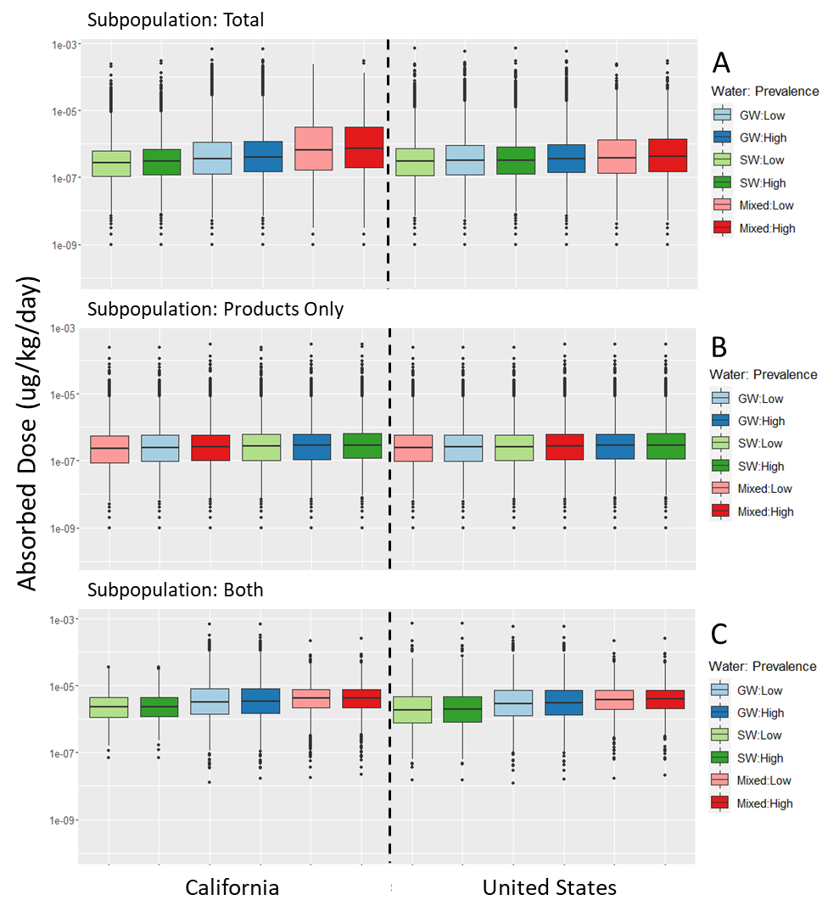

Fig S2.5A. Estimated human exposure in absorbed dose (mg/kg day) to 1,4 dioxane in simulations across each factorial combination by geographic scale on the x-axis (with CA on left, US on right), water source (grouped by color, with Groundwater (GW)=blue, Surface water (SW)=green, and MXed (MX)=red), and Prevalenceproducts (grouped by color intensity, with High=dark, Low=light). Within spatial groups, combinations are arranged in order of increasing median, and include the following subpopulations: A) Total: all simulated individuals in the population; B) Products Only; and C) Both: exposure from both contaminated water and product use.

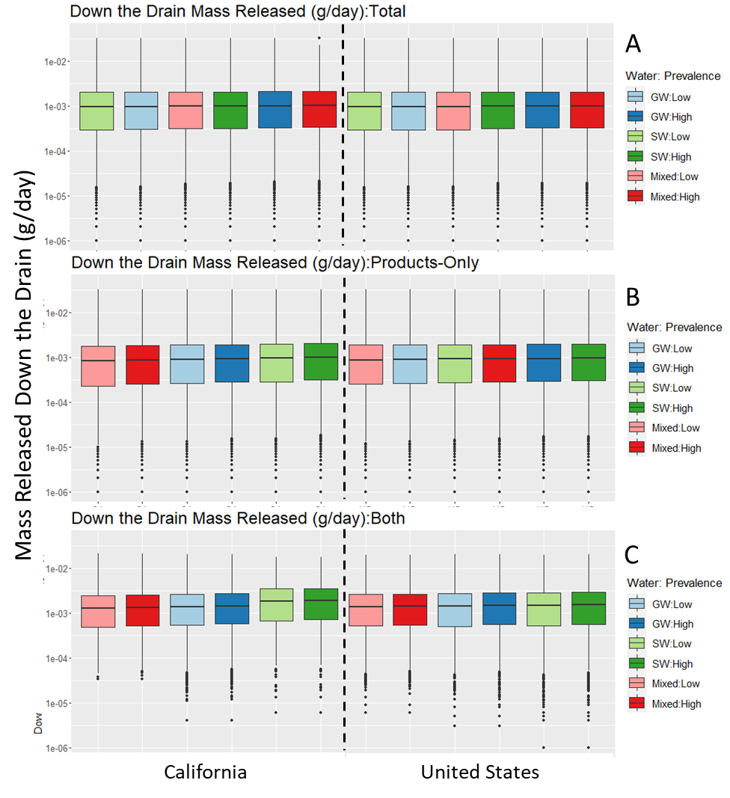

Fig S2.5B. Estimated down the drain mass released (g/day) of 1,4 dioxane in simulations across each factorial combination by geographic scale on the x-axis (with CA on left, US on right), water source (grouped by color, with Groundwater (GW)=blue, Surface water (SW)=green, and MXed (MX)=red), and Prevalenceproducts (grouped by color intensity, with High=dark, Low=light). Within spatial groups, combinations are arranged in order of increasing median, and include the following subpopulations: A) Total: all simulated individuals in the population; B) Products Only; and C) Both: exposure from both contaminated water and product use.

S2.10-Model Evaluation
Space | Water | Prevalence | Subpopulation | Median | SD | Q95 | Median Magnitude Difference | 95th Percentile Magnitude Difference
CA | Empirical |  | Total | 0.650 | 0.618 | 1.900
US | Empirical |  | Total | 1.125 | 0.602 | 1.908
CA | GW | high | Both | 4.3425636197 | 1.771 | 7.648 | 6.681 | 4.026
CA | GW | high | Products Only | 2.7765438528 | 1.132 | 4.890 | 4.272 | 2.574
CA | GW | high | Total | 3.0523594673 | 1.245 | 5.376 | 4.696 | 2.830
CA | GW | low | Both | 4.2322373739 | 1.726 | 7.454 | 6.511 | 3.924
CA | GW | low | Products Only | 2.6355714276 | 1.075 | 4.642 | 4.055 | 2.444
CA | GW | low | Total | 2.9129193511 | 1.188 | 5.130 | 4.481 | 2.701
CA | MX | high | Both | 4.022311045 | 1.640 | 7.084 | 6.188 | 3.729
CA | MX | high | Products Only | 2.5819406137 | 1.053 | 4.547 | 3.972 | 2.394
CA | MX | high | Total | 3.0768764108 | 1.255 | 5.419 | 4.734 | 2.853
CA | MX | low | Both | 3.9073878723 | 1.593 | 6.882 | 6.011 | 3.623
CA | MX | low | Products Only | 2.4241127898 | 0.989 | 4.269 | 3.729 | 2.248
CA | MX | low | Total | 2.9512270753 | 1.203 | 5.198 | 4.540 | 2.736
CA | SW | high | Both | 5.6940601308 | 2.322 | 10.028 | 8.760 | 5.280
CA | SW | high | Products Only | 2.9542916933 | 1.205 | 5.203 | 4.545 | 2.739
CA | SW | high | Total | 2.9910671085 | 1.220 | 5.268 | 4.602 | 2.773
CA | SW | low | Both | 5.6266385362 | 2.295 | 9.910 | 8.656 | 5.217
CA | SW | low | Products Only | 2.819448504 | 1.150 | 4.966 | 4.338 | 2.614
CA | SW | low | Total | 2.8562239192 | 1.165 | 5.030 | 4.394 | 2.648
US | GW | high | Both | 3.594491354 | 2.100 | 7.978 | 3.195 | 4.182
US | GW | high | Products Only | 2.2591833938 | 1.320 | 5.014 | 2.008 | 2.629
US | GW | high | Total | 2.4267128058 | 1.418 | 5.386 | 2.157 | 2.824
US | GW | low | Both | 3.4910173054 | 2.040 | 7.748 | 3.103 | 4.062
US | GW | low | Products Only | 2.1507820096 | 1.257 | 4.774 | 1.912 | 2.503
US | GW | low | Total | 2.3195432555 | 1.355 | 5.148 | 2.062 | 2.699
US | MX | high | Both | 3.4294256098 | 2.004 | 7.612 | 3.048 | 3.990
US | MX | high | Products Only | 2.2123737052 | 1.293 | 4.910 | 1.967 | 2.574
US | MX | high | Total | 2.4353356432 | 1.423 | 5.405 | 2.165 | 2.834
US | MX | low | Both | 3.3111695543 | 1.934 | 7.349 | 2.943 | 3.853
US | MX | low | Products Only | 2.1015086531 | 1.228 | 4.664 | 1.868 | 2.445
US | MX | low | Total | 2.3343252624 | 1.364 | 5.181 | 2.075 | 2.716
US | SW | high | Both | 3.7435432573 | 2.187 | 8.309 | 3.328 | 4.356
US | SW | high | Products Only | 2.2961384112 | 1.341 | 5.096 | 2.041 | 2.672
US | SW | high | Total | 2.4070034632 | 1.406 | 5.342 | 2.140 | 2.801
US | SW | low | Both | 3.6117370287 | 2.110 | 8.016 | 3.210 | 4.203
US | SW | low | Products Only | 2.1975916982 | 1.284 | 4.878 | 1.953 | 2.557
US | SW | low | Total | 2.298602079 | 1.343 | 5.102 | 2.043 | 2.675
Table S2.9: Summary statisitics of projected wastewater concentrations based on empirical vs. modeled data

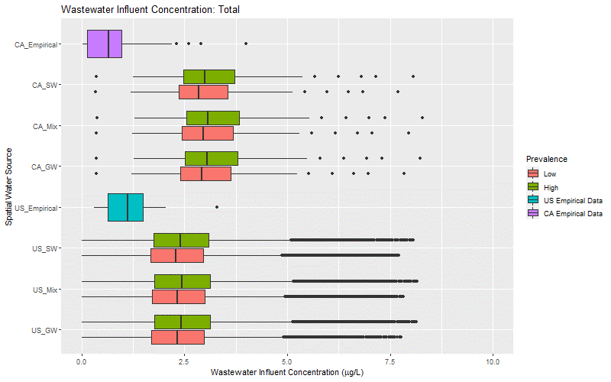

Fig. S2.9.1: Distribution of 1,4-dioxane concentrations collected in monitoring samples and projected wastewater effluent concentrations based on mass released DTD concentrations for the Total Population. Monitoring samples collected at the US and CA scale. Effluent projections were made by extrapolating median concentrations for each factorial group to database of wastewater treatment plants in the ISTREEM database.

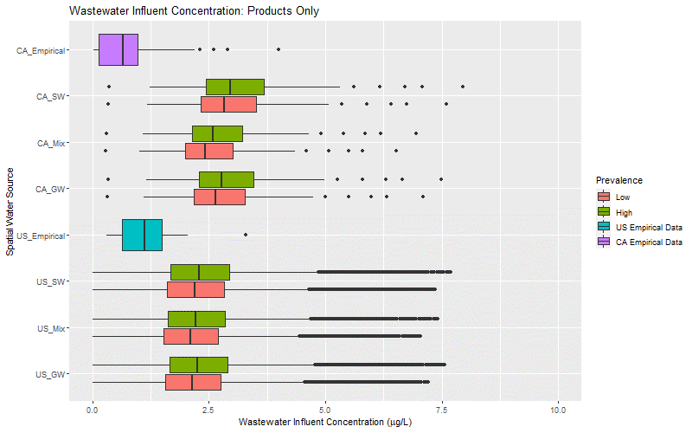

Fig. S2.9.2: Distribution of 1,4-dioxane concentrations collected in monitoring samples and projected wastewater effluent concentrations based on mass released DTD concentrations for the Product's Only Population. Monitoring samples collected at the US and CA scale. Effluent projections were made by extrapolating median concentrations for each factorial group to database of wastewater treatment plants in the ISTREEM database.

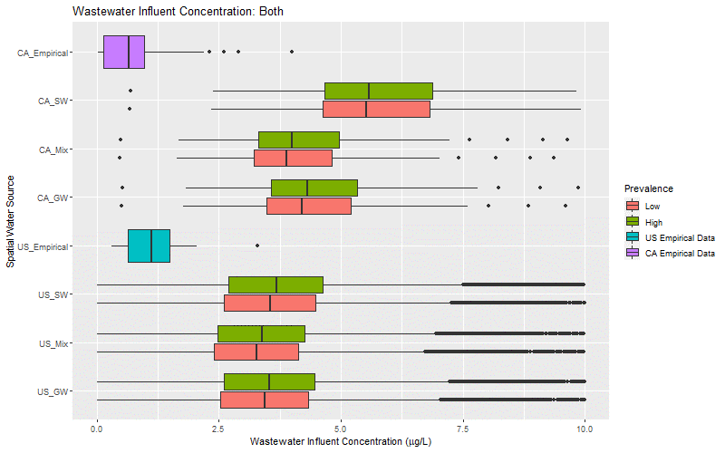

Fig. S2.9.3: Distribution of 1,4-dioxane concentrations collected in monitoring samples and projected wastewater effluent concentrations based on mass released DTD concentrations for the Both Population. Monitoring samples collected at the US and CA scale. Effluent projections were made by extrapolating median concentrations for each factorial group to database of wastewater treatment plants in the ISTREEM database.

