Table S3
Table S3. Reductive dechlorination of PCB180 and its dechlorinaiton products in the 135 sediment-free cultures.
Provinces/Municipalities | Samplesb | Dechlorinated PCB180a (mol%) | Dechlorination products from dechlorination of PCB 180a (mol%)
 |  |  | PCB153 | PCB146 | PCB101 | PCB92
Hainan | HK1 | 49.76 | 0.00 | 49.76 | 0.00 | 0.00
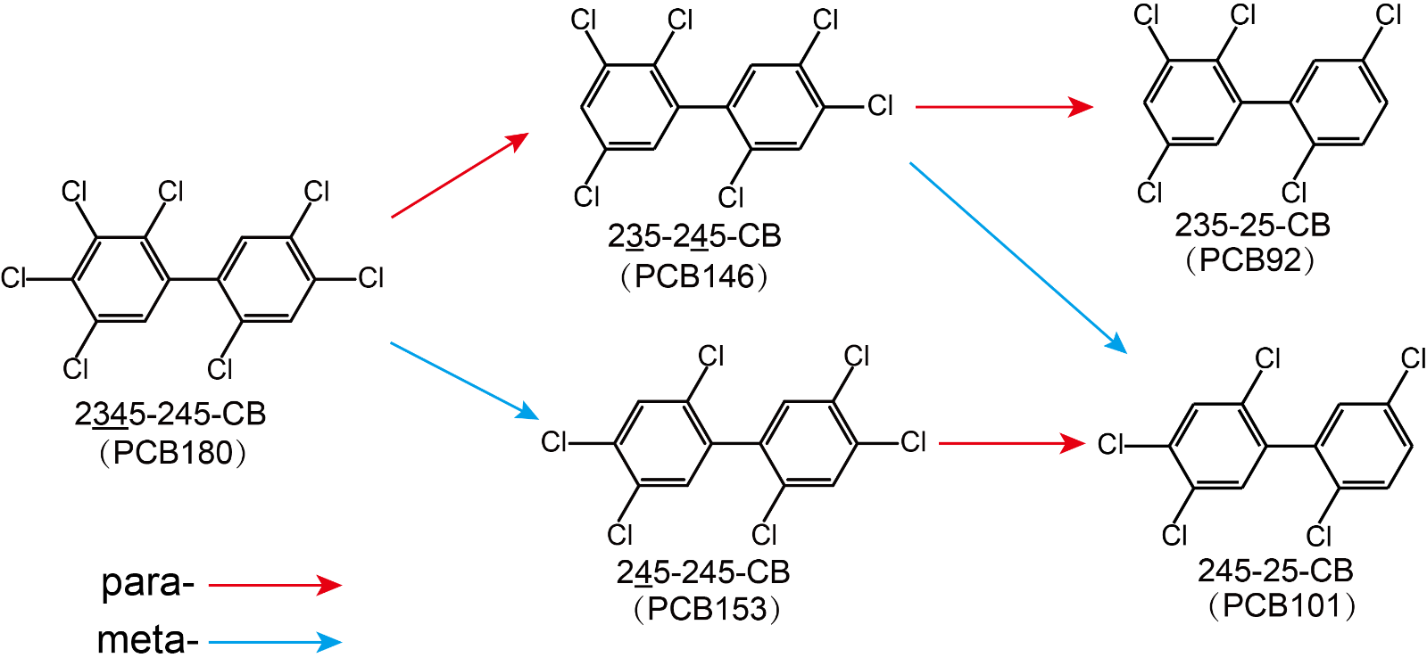
 | HK2 | 15.49 | 15.49 | 0.00 | 0.00 | 0.00
 | HK3 | 93.66 | 0.00 | 93.66 | 0.00 | 0.00
Guangdong | GZ1 | 75.48 | 0.00 | 72.44 | 0.00 | 3.04
 | GZ2 | 60.58 | 0.00 | 60.58 | 0.00 | 0.00
 | GZ3 | 59.06 | 0.00 | 59.06 | 0.00 | 0.00
 | GZ4 | 63.56 | 0.00 | 63.56 | 0.00 | 0.00
 | GZ5 | 40.52 | 10.96 | 29.55 | 0.00 | 0.00
 | GZ6 | 55.95 | 2.29 | 53.66 | 0.00 | 0.00
 | GZ7 | 62.91 | 0.00 | 62.91 | 0.00 | 0.00
 | GZ8 | 53.03 | 0.00 | 53.03 | 0.00 | 0.00
 | GZ10 | 60.06 | 3.81 | 56.25 | 0.00 | 0.00
 | QY2 | 68.56 | 58.99 | 9.57 | 0.00 | 0.00
 | QY3 | 87.93 | 87.93 | 0.00 | 0.00 | 0.00
 | QY4 | 32.67 | 21.90 | 10.77 | 0.00 | 0.00
 | ZJ3 | 57.84 | 1.82 | 51.72 | 0.00 | 4.29
 | YJ1 | 54.24 | 0.00 | 54.24 | 0.00 | 0.00
 | YJ3 | 47.57 | 0.00 | 47.57 | 0.00 | 0.00
 | ST1 | 63.57 | 0.00 | 63.57 | 0.00 | 0.00
 | ST2 | 51.87 | 4.33 | 42.54 | 1.72 | 3.28
 | SZ | 59.21 | 0.00 | 59.21 | 0.00 | 0.00
 | HZ | 73.39 | 0.00 | 73.39 | 0.00 | 0.00
Guangxi | NN1 | 73.05 | 0.00 | 73.05 | 0.00 | 0.00
 | NN3 | 18.29 | 0.00 | 18.29 | 0.00 | 0.00
 | GG | 39.59 | 30.52 | 9.07 | 0.00 | 0.00
Fujian | FZ1 | 51.80 | 0.00 | 51.80 | 0.00 | 0.00
 | FZ2 | 84.52 | 0.00 | 84.52 | 0.00 | 0.00
 | FZ4 | 51.55 | 0.00 | 51.55 | 0.00 | 0.00
 | XM3 | 99.99 | 0.00 | 99.99 | 0.00 | 0.00
 | LY | 43.47 | 2.22 | 41.26 | 0.00 | 0.00
 | ZZ | 50.40 | 0.00 | 50.40 | 0.00 | 0.00
Jiangxi | NC1 | 34.54 | 1.58 | 30.04 | 0.00 | 2.92
 | NC2 | 80.93 | 2.59 | 71.88 | 0.00 | 6.45
 | NC4 | 42.77 | 0.66 | 42.11 | 0.00 | 0.00
 | NC7 | 59.80 | 2.32 | 57.48 | 0.00 | 0.00
Jiangsu | NJ1 | 75.20 | 0.00 | 75.20 | 0.00 | 0.00
 | NJ2 | 47.42 | 0.00 | 47.42 | 0.00 | 0.00
 | NJ3 | 67.58 | 0.00 | 67.58 | 0.00 | 0.00
 | YZ1 | 65.25 | 0.00 | 65.25 | 0.00 | 0.00
 | YZ3 | 69.53 | 0.00 | 69.53 | 0.00 | 0.00
 | YZ4 | 85.91 | 0.00 | 65.45 | 0.00 | 20.45
 | WX1 | 84.66 | 2.46 | 80.51 | 0.00 | 1.70
 | WX2 | 67.55 | 3.24 | 64.30 | 0.00 | 0.00
 | XZ1 | 83.73 | 0.00 | 27.04 | 56.69 | 0.00
 | XZ2 | 51.77 | 0.66 | 51.11 | 0.00 | 0.00
Shanghai | SH1 | 62.75 | 0.88 | 59.17 | 0.00 | 2.70
 | SH3 | 88.47 | 0.00 | 88.47 | 0.00 | 0.00
Yunnan | KM1 | 60.02 | 0.00 | 60.02 | 0.00 | 0.00
 | KM2 | 33.29 | 0.00 | 33.29 | 0.00 | 0.00
 | KM3 | 70.96 | 0.00 | 70.96 | 0.00 | 0.00
 | YX1 | 77.95 | 0.00 | 77.95 | 0.00 | 0.00
 | YX2 | 71.66 | 0.00 | 71.66 | 0.00 | 0.00
Guizhou | AS2 | 82.42 | 0.00 | 82.42 | 0.00 | 0.00
 | AS3 | 88.03 | 34.23 | 48.74 | 3.03 | 2.03
Sichuan | CD1 | 36.90 | 0.00 | 36.90 | 0.00 | 0.00
 | CD2 | 66.46 | 0.00 | 66.46 | 0.00 | 0.00
 | CD3 | 65.31 | 0.00 | 65.31 | 0.00 | 0.00
 | CD4 | 61.85 | 0.00 | 61.85 | 0.00 | 0.00
 | CD6 | 48.13 | 0.00 | 48.13 | 0.00 | 0.00
 | NJ1 | 66.28 | 0.00 | 66.28 | 0.00 | 0.00
 | NJ2 | 17.96 | 0.00 | 17.96 | 0.00 | 0.00
 | GY1 | 65.10 | 0.00 | 65.10 | 0.00 | 0.00
Chongqing | CQ1 | 87.55 | 0.00 | 87.55 | 0.00 | 0.00
 | CQ2 | 86.92 | 0.00 | 86.92 | 0.00 | 0.00
 | CQ3 | 99.57 | 0.00 | 99.57 | 0.00 | 0.00
Hunan | CS1 | 28.73 | 0.00 | 28.73 | 0.00 | 0.00
 | CS2 | 44.23 | 2.94 | 41.29 | 0.00 | 0.00
 | HY1 | 94.96 | 5.74 | 74.06 | 3.48 | 11.69
 | HY2 | 72.70 | 0.00 | 15.44 | 0.00 | 57.27
 | YZ2 | 62.46 | 0.00 | 62.46 | 0.00 | 0.00
 | YY1 | 44.48 | 1.91 | 42.56 | 0.00 | 0.00
 | YY2 | 43.85 | 0.00 | 43.85 | 0.00 | 0.00
Hubei | WH1 | 22.00 | 0.54 | 21.46 | 0.00 | 0.00
 | WH2 | 55.63 | 0.00 | 55.63 | 0.00 | 0.00
 | WH3 | 58.73 | 0.00 | 58.73 | 0.00 | 0.00
 | JZ1 | 99.93 | 13.45 | 86.48 | 0.00 | 0.00
 | JZ2 | 55.13 | 36.22 | 18.90 | 0.00 | 0.00
 | SZ1 | 16.95 | 0.00 | 16.95 | 0.00 | 0.00
 | SZ2 | 36.60 | 0.00 | 36.60 | 0.00 | 0.00
Anhui | HF | 79.43 | 8.21 | 71.22 | 0.00 | 0.00
 | WH1 | 84.42 | 2.48 | 72.51 | 0.00 | 9.43
 | WH2 | 89.99 | 0.00 | 89.99 | 0.00 | 0.00
 | WH3 | 19.39 | 0.00 | 19.39 | 0.00 | 0.00
 | FY | 56.43 | 0.70 | 55.73 | 0.00 | 0.00
 | MAS | 68.93 | 0.89 | 68.04 | 0.00 | 0.00
Henan | ZZ1 | 47.32 | 0.00 | 47.32 | 0.00 | 0.00
 | ZZ2 | 74.84 | 0.00 | 12.58 | 0.00 | 62.26
 | XY3 | 83.91 | 0.39 | 82.75 | 0.00 | 0.78
 | XY4 | 86.96 | 0.00 | 84.08 | 0.00 | 2.88
 | AY | 72.26 | 0.00 | 53.23 | 0.00 | 19.03
 | KF1 | 82.30 | 4.83 | 77.47 | 0.00 | 0.00
 | KF2 | 92.43 | 0.00 | 92.43 | 0.00 | 0.00
Gansu | LZ1 | 60.67 | 0.00 | 57.81 | 0.00 | 2.87
 | LZ3 | 70.74 | 0.00 | 70.74 | 0.00 | 0.00
 | TS1 | 95.74 | 24.10 | 69.18 | 2.46 | 0.00
 | TS2 | 83.28 | 2.89 | 65.92 | 2.15 | 12.32
 | ZY1 | 81.78 | 8.21 | 73.57 | 0.00 | 0.00
Ningxia | WZ1 | 59.65 | 2.60 | 57.05 | 0.00 | 0.00
 | SZS | 90.39 | 0.00 | 90.39 | 0.00 | 0.00
Inner Mongolia | HS2 | 64.74 | 0.00 | 64.74 | 0.00 | 0.00
 | HS3 | 36.34 | 0.00 | 36.34 | 0.00 | 0.00
 | BT1 | 57.88 | 0.00 | 57.88 | 0.00 | 0.00
 | BT2 | 74.25 | 11.96 | 62.29 | 0.00 | 0.00
 | BY1 | 12.82 | 2.16 | 10.66 | 0.00 | 0.00
Shaanxi | WN | 56.44 | 43.93 | 12.51 | 0.00 | 0.00
Shanxi | TY1 | 47.87 | 0.00 | 47.87 | 0.00 | 0.00
 | TY2 | 63.56 | 0.00 | 63.56 | 0.00 | 0.00
 | TY3 | 66.63 | 8.40 | 58.23 | 0.00 | 0.00
Shandong | JN4 | 59.41 | 0.00 | 59.41 | 0.00 | 0.00
 | QD1 | 71.14 | 69.53 | 1.61 | 0.00 | 0.00
 | HZ1 | 53.50 | 9.48 | 44.02 | 0.00 | 0.00
 | HZ2 | 8.57 | 8.57 | 0.00 | 0.00 | 0.00
 | HZ3 | 72.90 | 49.12 | 8.22 | 9.80 | 5.76
 | LY | 43.20 | 32.99 | 10.21 | 0.00 | 0.00
Hebei | SJZ1 | 39.46 | 0.00 | 39.46 | 0.00 | 0.00
 | SJZ2 | 61.62 | 1.31 | 23.31 | 0.00 | 37.00
 | QHD | 41.27 | 32.26 | 9.01 | 0.00 | 0.00
Beijing | BJ2 | 20.43 | 0.00 | 20.43 | 0.00 | 0.00
 | BJ3 | 40.24 | 30.73 | 9.51 | 0.00 | 0.00
 | BJ4 | 29.68 | 0.00 | 29.68 | 0.00 | 0.00
 | TZ2 | 52.56 | 0.00 | 52.56 | 0.00 | 0.00
Tianjin | TJ1 | 82.03 | 2.90 | 79.13 | 0.00 | 0.00
 | TJ2 | 75.35 | 73.12 | 2.22 | 0.00 | 0.00
Liaoning | SY1 | 37.52 | 0.00 | 37.52 | 0.00 | 0.00
 | SY2 | 49.73 | 0.00 | 49.73 | 0.00 | 0.00
 | SY3 | 71.78 | 0.00 | 71.78 | 0.00 | 0.00
 | YK1 | 69.14 | 13.12 | 56.02 | 0.00 | 0.00
 | YK2 | 88.97 | 0.00 | 88.97 | 0.00 | 0.00
Jilin | JL1 | 54.33 | 3.87 | 50.46 | 0.00 | 0.00
 | JL2 | 59.74 | 0.00 | 59.74 | 0.00 | 0.00
 | CC1 | 34.18 | 0.00 | 34.18 | 0.00 | 0.00
 | CC2 | 64.75 | 0.00 | 64.75 | 0.00 | 0.00
 | CC3 | 55.54 | 0.00 | 55.54 | 0.00 | 0.00
 | CC4 | 51.52 | 0.00 | 51.52 | 0.00 | 0.00
 | SP | 36.54 | 5.51 | 31.03 | 0.00 | 0.00
Note: samples are listed in the same sequence with sample shown in figure 3; red, para-dechlorination products; blue, meta-dechlorination products, black, products from both para- and meta-dechlorination.
a the concentration of amended PCB180 in the medium is 2.53 µM;
b refer sample abbreviations in Table S2;

